BEER
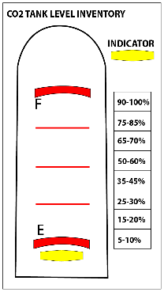
NEXT ORDER DATE: | 2026-10-01
BOTTLES | UNIT | PAR
CORONA | 24/cs | 24
CORONA LIGHT | 24/cs | 12
MODEL-NEGRA | 24/cs | 12
PACIFICO | 24/cs | 12

KEGS | UNIT | PAR
MODEL-ESPECIAL | 0.25 | 2
MILLER LITE | 0.5 | 3
DOS X-AMBER | 0.5 | 1

EMPTY KEGS | UNIT
TOT EMPTY KEGS | ANY

CO2-SM 20LB-BEER | UNIT | PAR
CO2 - 20 LB | EA | 2.5

CO2-LG 400 LB-SODA | UNIT | PAR
CO2 - 400 LB | %

WALK IN COOLER PROCEDURES
- Only sets of 6 bottles are allowed to be kept in the walk-in cooler - That means you can only have 6, 12, 18, 24 bottles etc…
GENERAL PROCEDURES
- Every week, new Blank columns will be added - These are the only Columns you are to fill out.
- You are to fill out only the areas highlighted "green"

